Max Tenor
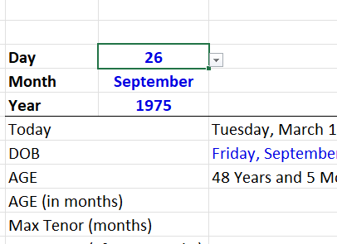
9
December
1982
 | 2025-07-10 |  | Day | Month | Year
 | 1982-12-09 |  | 1 | January | 1950
 | 42 Years and 7 Months |  | 2 | February | 1951
 | 511 |  | 3 | March | 1952
 | 269 | 70 Years | 4 | April | 1953
 | 266 | 326 | 5 | May | 1954
 | 22.17 | 27.16666667 | 6 | June | 1955
 |  |  | 7 | July | 1956
 |  |  | 8 | August | 1957
 |  |  | 9 | September | 1958
 |  |  | 10 | October | 1959
 |  |  | 11 | November | 1960
 |  |  | 12 | December | 1961
25 years | 300M |  | 13 |  | 1962
 |  |  | 14 |  | 1963
 |  |  | 15 |  | 1964
 |  |  | 16 |  | 1965
 |  |  | 17 |  | 1966
 |  |  | 18 |  | 1967
 |  |  | 19 |  | 1968
 |  |  | 20 |  | 1969
 |  |  | 21 |  | 1970
 |  |  | 22 |  | 1971
 |  |  | 23 |  | 1972
 |  |  | 24 |  | 1973
 |  |  | 25 |  | 1974
 |  |  | 26 |  | 1975
 |  |  | 27 |  | 1976
 |  |  | 28 |  | 1977
 |  |  | 29 |  | 1978
 |  |  | 30 |  | 1979
 |  |  | 31 |  | 1980
 |  |  |  |  | 1981
 |  |  |  |  | 1982
 |  |  |  |  | 1983
 |  |  |  |  | 1984
 |  |  |  |  | 1985
 |  |  |  |  | 1986
 |  |  |  |  | 1987
 |  |  |  |  | 1988
 |  |  |  |  | 1989
 |  |  |  |  | 1990
 |  |  |  |  | 1991
 |  |  |  |  | 1992
 |  |  |  |  | 1993
 |  |  |  |  | 1994
 |  |  |  |  | 1995
 |  |  |  |  | 1996
 |  |  |  |  | 1997
 |  |  |  |  | 1998
 |  |  |  |  | 1999
 |  |  |  |  | 2000
 |  |  |  |  | 2001
 |  |  |  |  | 2002
 |  |  |  |  | 2003
 |  |  |  |  | 2004
 |  |  |  |  | 2005
 |  |  |  |  | 2006
 |  |  |  |  | 2007

